Figure 1
Back
Collaboration network between different sectors for MRC, NIH and Wellcome Trust papers (2008–2017)
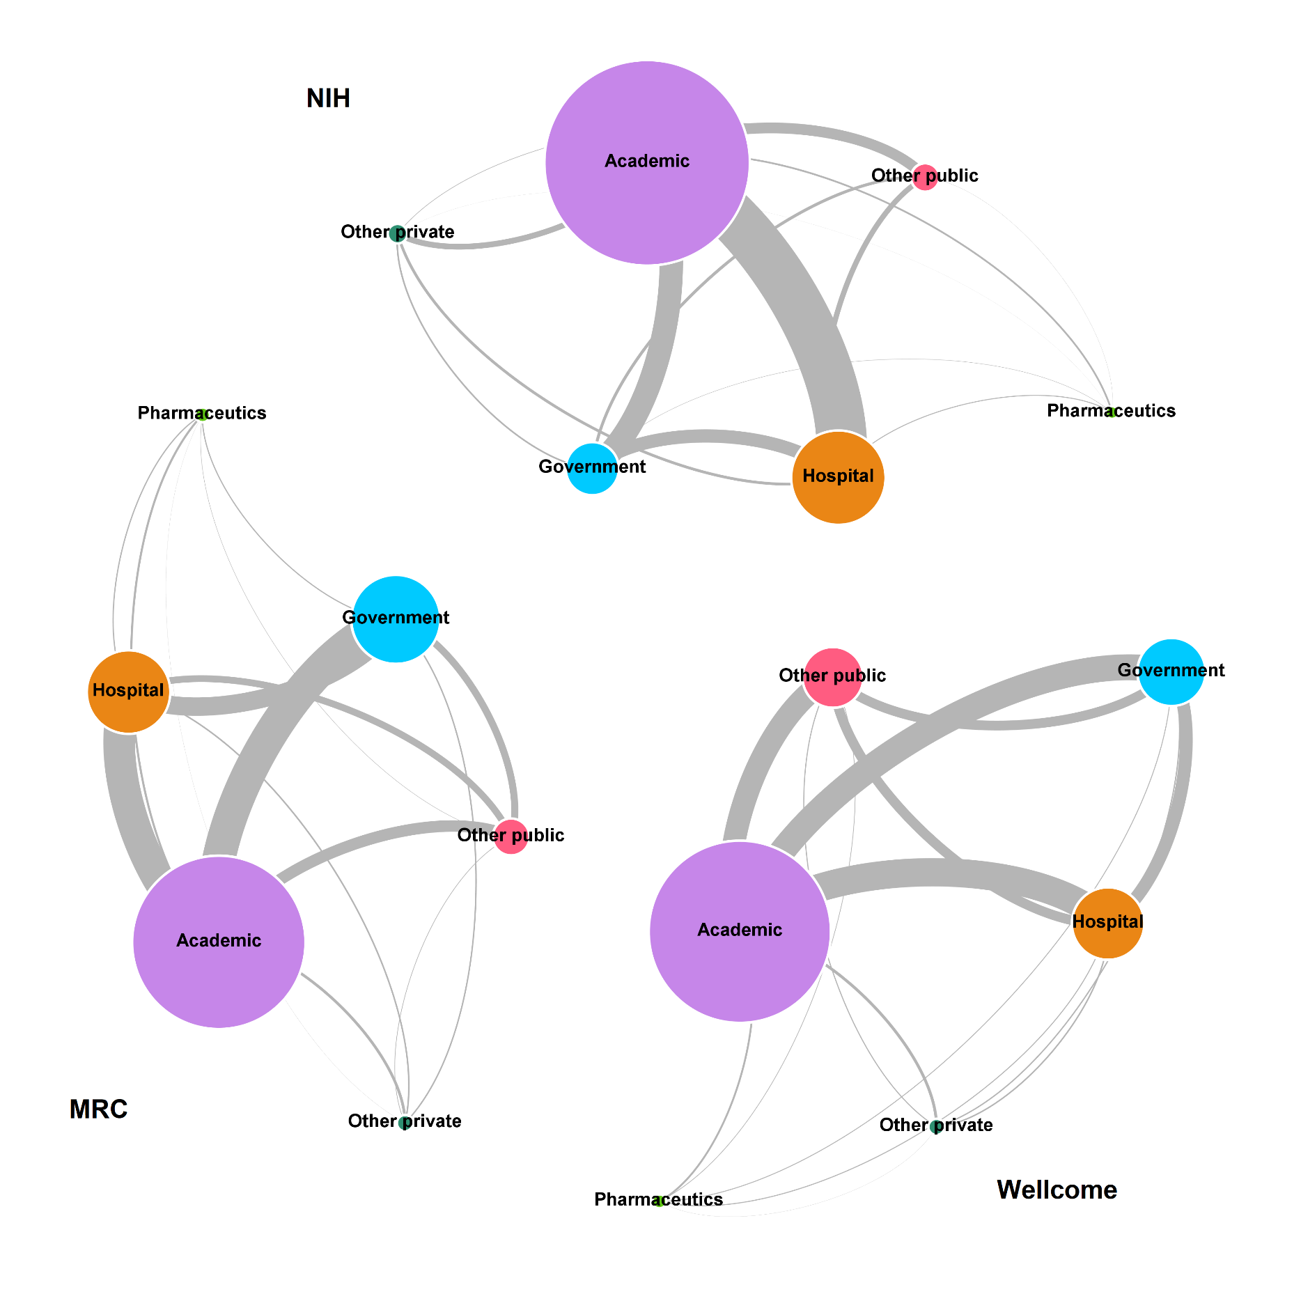

Note: The size of the bubbles is proportional to the humber of publications and the thickness of the links, to the number of co-publications.
Source: Computed by Science-Metrix using data from MRC, Gateway to Research, EPMC, NIH RePORTER and the WoS (Clarivate Analytics)

Figure 2
Back
Distribution of papers cited in NICE guidelines by domain (1980–2016)
Domain | Papers cited in NG | Share of papers cited in NG | WoS Papers | Share of WoS Papers
Health Sciences | 50,077 | 98.5% | 12,601,496 | 0.397%
Applied Sciences | 287 | 0.6% | 9,589,451 | 0.003%
General | 207 | 0.4% | 577,715 | 0.036%
Economic & Social Sciences | 159 | 0.3% | 1,709,005 | 0.009%
Natural Sciences | 79 | 0.2% | 11,289,149 | 0.001%
Arts & Humanities | 23 | 0.0% | 857,363 | 0.003%
Total | 50,832 | 100% | 36,624,179 | 0.139%
Source: Computed by Science-Metrix using data from PlumX, EPMC and WoS (Clarivate Analytics)

Figure 3
Back
Citation distribution of Health Sciences papers cited in NICE guidelines (2008–2016)
NICE citations | Papers | Share of papers
0 | 4,560,866 | 99.66%
1 | 14,978 | 0.33%
2 | 445 | 0.01%
3 | 28 | 0.00%
4 | 9 | 0.00%
7 | 1 | 0.00%
8 | 1 | 0.00%
10 | 2 | 0.00%
16 | 1 | 0.00%
Total | 4,576,331 | 100%
Note: The vast majority of Health Sciences papers are never cited in NICE guidelines. Of those cited, 97% were cited only once. Accordingly, we should construct an indicator of the share of papers cited in NICE guidelines. Note that nearly 99% of papers cited in NICE guidelines are in the Health Sciences.
Source: Computed by Science-Metrix using data from PlumX, EPMC and WoS (Clarivate Analytics)

Figure 4
Back
Distribution of papers cited in NICE guidelines by publication year of the papers, 1980–2016
Year | Papers cited in NG | Share of papers cited in NG | WoS Papers | Share of WoS Papers
1980 | 186 | 0.4% | 446,136 | 0.04%
1981 | 177 | 0.3% | 467,767 | 0.04%
1982 | 236 | 0.5% | 488,140 | 0.05%
1983 | 292 | 0.6% | 508,940 | 0.06%
1984 | 329 | 0.6% | 522,769 | 0.06%
1985 | 332 | 0.7% | 532,888 | 0.06%
1986 | 369 | 0.7% | 539,797 | 0.07%
1987 | 459 | 0.9% | 556,087 | 0.08%
1988 | 469 | 0.9% | 573,002 | 0.08%
1989 | 591 | 1.2% | 593,547 | 0.10%
1990 | 594 | 1.2% | 622,064 | 0.10%
1991 | 752 | 1.5% | 635,122 | 0.12%
1992 | 819 | 1.6% | 654,122 | 0.13%
1993 | 864 | 1.7% | 725,145 | 0.12%
1994 | 958 | 1.9% | 813,735 | 0.12%
1995 | 1,162 | 2.3% | 831,486 | 0.14%
1996 | 1,274 | 2.5% | 858,767 | 0.15%
1997 | 1,528 | 3.0% | 877,245 | 0.17%
1998 | 1,608 | 3.2% | 907,586 | 0.18%
1999 | 1,752 | 3.5% | 884,106 | 0.20%
2000 | 1,881 | 3.7% | 926,049 | 0.20%
2001 | 2,146 | 4.2% | 925,182 | 0.23%
2002 | 2,352 | 4.6% | 947,320 | 0.25%
2003 | 2,517 | 5.0% | 1,007,191 | 0.25%
2004 | 2,724 | 5.4% | 1,057,285 | 0.26%
2005 | 2,906 | 5.7% | 1,119,541 | 0.26%
2006 | 2,842 | 5.6% | 1,189,435 | 0.24%
2007 | 2,777 | 5.5% | 1,301,469 | 0.21%
2008 | 2,561 | 5.0% | 1,390,741 | 0.18%
2009 | 2,477 | 4.9% | 1,469,441 | 0.17%
2010 | 2,271 | 4.5% | 1,494,208 | 0.15%
2011 | 2,284 | 4.5% | 1,578,145 | 0.14%
2012 | 2,123 | 4.2% | 1,682,734 | 0.13%
2013 | 1,937 | 3.8% | 1,764,777 | 0.11%
2014 | 1,330 | 2.6% | 1,841,059 | 0.07%
2015 | 788 | 1.6% | 1,914,843 | 0.04%
2016 | 107 | 0.2% | 1,976,308 | 0.01%
Total | 50,774 | 100.0% | 36,624,179 | 0.14%
Note: The drop in the share of papers cited in NICE guidelines post 2005 is due to the likely long time-lag from the publication of papers to their uptake in clinical guidelines. The three last data points (2014, 2015 and 2016) are not reliable and were therefore not used in computing the uptake of research outputs in NICE guidelines. This is most likely due to the fact that citation data were only available for a minority of NICE guidelines in PlumX and EPMC in 2017 and 2018.
Source: Computed by Science-Metrix using data from PlumX, EPMC and WoS (Clarivate Analytics)

Figure 5
 | 2008 | 2009 | 2010 | 2011 | 2012 | 2013
0 | 11 | 18 | 7 | 23 | 25 | 31
1 | 127 | 114 | 201 | 185 | 251 | 331
2 | 196 | 298 | 235 | 403 | 511 | 391
3 | 310 | 271 | 401 | 500 | 345 | 1,058
4 | 221 | 405 | 394 | 318 | 907
5 | 332 | 412 | 273 | 788
6 | 398 | 323 | 703
7 | 239 | 573
8 | 545
Back
Time-lag to citations of papers in NICE guidelines by publication year of the papers, 2008–2013
Citation time-lag (years) | 2008 | 2009 | 2010 | 2011 | 2012 | 2013
0 | 11 | 18 | 7 | 23 | 25 | 31
1 | 127 | 114 | 201 | 185 | 251 | 331
2 | 196 | 298 | 235 | 403 | 511 | 391
3 | 310 | 271 | 401 | 500 | 345 | 1,058
4 | 221 | 405 | 394 | 318 | 907
5 | 332 | 412 | 273 | 788
6 | 398 | 323 | 703
7 | 239 | 573
8 | 545
Note: A similar pattern can be osberved across publicaton years in the number of papers cited in NICE guidelines after a given time-lag. For example, a ditch in the year preceding the last data point available per publication year of the papers is observed for all time-series and the peak is always observed for the latest available data point. This regular patterns point to a potential coverage issues of references in NICE guidelines across their publication year. At the very least, we cannot precisely estimate when the peak in citation of papers in NICE guidelines occurs following publication of the papers. It is possibly not yet reached 8 years following publication of papers. Citations from 2017 and 2018 guidelines are not accounted for due to a coverage issue in those years.
Source: Computed by Science-Metrix using EPMC and WoS (Clarivate Analytics) data

Figure 6
Back
Citation distribution of Health Sciences papers cited in US patents (2008–2011)
Citations | Papers | Share of papers
0 | 1,768,831 | 95.7%
1 | 42,429 | 2.3%
2 | 14,292 | 0.8%
3 | 6,453 | 0.3%
4 | 3,889 | 0.2%
5 | 2,603 | 0.1%
6 | 1,584 | 0.1%
7 | 1,347 | 0.1%
8 | 970 | 0.1%
9 | 795 | 0.0%
10 | 779 | 0.0%
11 | 480 | 0.0%
12 | 400 | 0.0%
13 | 331 | 0.0%
14 | 277 | 0.0%
15 | 217 | 0.0%
16 | 193 | 0.0%
17 | 169 | 0.0%
18 | 157 | 0.0%
19 | 111 | 0.0%
20 | 133 | 0.0%
21 | 96 | 0.0%
22 | 97 | 0.0%
23 | 286 | 0.0%
24 | 63 | 0.0%
25 | 46 | 0.0%
26 | 82 | 0.0%
27 | 51 | 0.0%
28 | 54 | 0.0%
29 | 68 | 0.0%
30 | 46 | 0.0%
31 | 45 | 0.0%
32 | 51 | 0.0%
33 | 61 | 0.0%
34 | 32 | 0.0%
35 | 66 | 0.0%
36 | 56 | 0.0%
37 | 23 | 0.0%
38 | 37 | 0.0%
39 | 23 | 0.0%
40 | 27 | 0.0%
41 | 20 | 0.0%
42 | 24 | 0.0%
43 | 24 | 0.0%
44 | 14 | 0.0%
45 | 8 | 0.0%
46 | 11 | 0.0%
47 | 16 | 0.0%
48 | 19 | 0.0%
49 | 8 | 0.0%
50 | 7 | 0.0%
51 | 7 | 0.0%
52 | 6 | 0.0%
53 | 4 | 0.0%
54 | 4 | 0.0%
55 | 14 | 0.0%
56 | 12 | 0.0%
57 | 12 | 0.0%
58 | 25 | 0.0%
59 | 14 | 0.0%
60 | 6 | 0.0%
61 | 9 | 0.0%
62 | 11 | 0.0%
63 | 4 | 0.0%
64 | 4 | 0.0%
65 | 5 | 0.0%
66 | 3 | 0.0%
67 | 1 | 0.0%
68 | 2 | 0.0%
69 | 4 | 0.0%
71 | 2 | 0.0%
73 | 4 | 0.0%
74 | 1 | 0.0%
75 | 1 | 0.0%
77 | 1 | 0.0%
79 | 2 | 0.0%
82 | 2 | 0.0%
84 | 1 | 0.0%
85 | 1 | 0.0%
86 | 1 | 0.0%
92 | 1 | 0.0%
93 | 1 | 0.0%
100 | 1 | 0.0%
102 | 1 | 0.0%
103 | 1 | 0.0%
105 | 1 | 0.0%
107 | 1 | 0.0%
115 | 1 | 0.0%
119 | 1 | 0.0%
127 | 1 | 0.0%
131 | 1 | 0.0%
133 | 1 | 0.0%
137 | 1 | 0.0%
157 | 2 | 0.0%
160 | 1 | 0.0%
161 | 1 | 0.0%
163 | 1 | 0.0%
169 | 1 | 0.0%
173 | 1 | 0.0%
248 | 1 | 0.0%
256 | 1 | 0.0%
260 | 1 | 0.0%
Note: Nearly 96% of Health Sciences papers are never cited in US patents for the usable publication years in this study period. Additionally, of those papers cited in patents, 95% received 10 or less citations with the bulk of them receiving only one citation. Accordingly, a simple share of papers cited in US patents will be used to measure the uptake of research in innovation.
Source: Computed by Science-Metrix using PatentsView and WoS (Clarivate Analytics) data

Figure 7
 | 2008 | 2009 | 2010 | 2011 | 2012 | 2013 | 2014
0 |  |  |  | 37 | 81 | 93 | 13
1 |  |  | 209 | 466 | 657 | 890 | 70
2 |  | 520 | 1,394 | 1,629 | 2,368 | 1,881 | 74
3 | 1,183 | 2,933 | 3,382 | 4,057 | 3,646 | 1,720
4 | 6,143 | 6,543 | 7,017 | 7,413 | 2,800
5 | 12,238 | 11,166 | 10,992 | 11,010
6 | 15,972 | 14,557 | 14,956
7 | 19,034 | 18,366
8 | 21,119
Back
Time-lag to citations of Health Sciences papers in US patents by publication year of the papers, 2008–2014
Citation time-lag (years) | 2008 | 2009 | 2010 | 2011 | 2012 | 2013 | 2014
0 |  |  |  | 37 | 81 | 93 | 13
1 |  |  | 209 | 466 | 657 | 890 | 70
2 |  | 520 | 1,394 | 1,629 | 2,368 | 1,881 | 74
3 | 1,183 | 2,933 | 3,382 | 4,057 | 3,646 | 1,720
4 | 6,143 | 6,543 | 7,017 | 7,413 | 2,800
5 | 12,238 | 11,166 | 10,992 | 11,010
6 | 15,972 | 14,557 | 14,956
7 | 19,034 | 18,366
8 | 21,119
Note: The analysis accounts for citations from US patents issued from 2012 to 2016; 2017 was excluded in the analysis of the citation time-lag since it is incomplete and could bias the identification of the peak in citation volume following the publication of papers. The time-lag is computed relative to the issue year of a given US patent. The citation time-lag (i.e. number of years post-publication) corresponding to the peak in the number of papers cited in US patents is, at a minimum, 8 years after publication of papers. Assuming a 3 to 4 year lag between patent application and issuance, the citation peak is, at a minimum, 4 to 5 years following patent application. With the historical depth available with the current data, it is not possible to ascertain that the citation peak has been reached. Accordingly, the long-term predictability of the citation data computed for papers in this study period might not be very high, espacially in recent years; a minimum threshold often used in computing citation indicators is to capture citations up to, at a minimum, the citation peak year. For this reason, the years 2012 to 2017 (2015 to 2017 not shown), for papers, will be excluded and the data for the other years will be normalised by publication year of the papers.
Source: Computed by Science-Metrix using PatentsView and WoS (Clarivate Analytics) data

Figure 8
Back
Distribution of papers cited in clinical trials by domain (1980–2016)
Domain | Papers cited in NG | Share of papers cited in NG | WoS Papers | Share of WoS Papers
Health Sciences | 160,205 | 95.8% | 12,601,496 | 1.271%
General | 3,395 | 2.0% | 577,715 | 0.588%
Applied Sciences | 2,027 | 1.2% | 9,589,451 | 0.021%
Natural Sciences | 1,343 | 0.8% | 11,289,149 | 0.012%
Economic & Social Sciences | 248 | 0.1% | 1,709,005 | 0.015%
Arts & Humanities | 66 | 0.0% | 857,363 | 0.008%
Total | 167,284 | 100% | 36,624,179 | 0.457%
Source: Computed by Science-Metrix using data from ClinicalTrials.org and WoS (Clarivate Analytics)

Figure 9
Back
Citation distribution of Health Sciences papers cited in clincical trials (2008–2016)
NICE citations | Papers | Share of papers
0 | 4,500,876 | 98.35%
1 | 64,370 | 1.41%
2 | 7,844 | 0.17%
3 | 1,921 | 0.04%
4 | 649 | 0.01%
5 | 280 | 0.01%
6 | 157 | 0.00%
7 | 71 | 0.00%
8 | 44 | 0.00%
9 | 39 | 0.00%
10 | 24 | 0.00%
11 | 15 | 0.00%
12 | 16 | 0.00%
13 | 8 | 0.00%
14 | 7 | 0.00%
15 | 2 | 0.00%
16 | 2 | 0.00%
17 | 1 | 0.00%
18 | 1 | 0.00%
20 | 1 | 0.00%
21 | 1 | 0.00%
22 | 1 | 0.00%
45 | 1 | 0.00%
Total | 4,576,331 | 100%
Note: The vast majority of Health Sciences papers are never cited in clinical trials. Of those cited, 85% were cited only once. Accordingly, we should construct an indicator of the share of papers cited in clinical trials. Note that 95% of papers cited in clinical trials are in the Health Sciences.
Source: Computed by Science-Metrix using data from ClinicalTrials.org and WoS (Clarivate Analytics)

Figure 10
Back
Distribution of papers cited in clinical trials by publication year of the papers, 1980–2016
Year | Papers cited in CT | Share of papers cited in CT | WoS Papers | Share of WoS Papers
1980 | 52 | 0.0% | 446,136 | 0.01%
1981 | 184 | 0.1% | 467,767 | 0.04%
1982 | 334 | 0.2% | 488,140 | 0.07%
1983 | 471 | 0.3% | 508,940 | 0.09%
1984 | 536 | 0.3% | 522,769 | 0.10%
1985 | 613 | 0.4% | 532,888 | 0.12%
1986 | 635 | 0.4% | 539,797 | 0.12%
1987 | 779 | 0.5% | 556,087 | 0.14%
1988 | 824 | 0.5% | 573,002 | 0.14%
1989 | 931 | 0.6% | 593,547 | 0.16%
1990 | 1,112 | 0.7% | 622,064 | 0.18%
1991 | 1,285 | 0.8% | 635,122 | 0.20%
1992 | 1,516 | 0.9% | 654,122 | 0.23%
1993 | 1,795 | 1.1% | 725,145 | 0.25%
1994 | 1,940 | 1.2% | 813,735 | 0.24%
1995 | 2,276 | 1.4% | 831,486 | 0.27%
1996 | 2,780 | 1.7% | 858,767 | 0.32%
1997 | 3,319 | 2.0% | 877,245 | 0.38%
1998 | 3,709 | 2.2% | 907,586 | 0.41%
1999 | 4,279 | 2.6% | 884,106 | 0.48%
2000 | 5,087 | 3.0% | 926,049 | 0.55%
2001 | 5,725 | 3.4% | 925,182 | 0.62%
2002 | 6,250 | 3.7% | 947,320 | 0.66%
2003 | 7,123 | 4.3% | 1,007,191 | 0.71%
2004 | 7,693 | 4.6% | 1,057,285 | 0.73%
2005 | 8,492 | 5.1% | 1,119,541 | 0.76%
2006 | 8,898 | 5.3% | 1,189,435 | 0.75%
2007 | 9,027 | 5.4% | 1,301,469 | 0.69%
2008 | 9,513 | 5.7% | 1,390,741 | 0.68%
2009 | 9,887 | 5.9% | 1,469,441 | 0.67%
2010 | 9,928 | 5.9% | 1,494,208 | 0.66%
2011 | 9,751 | 5.8% | 1,578,145 | 0.62%
2012 | 9,858 | 5.9% | 1,682,734 | 0.59%
2013 | 9,636 | 5.8% | 1,764,777 | 0.55%
2014 | 8,757 | 5.2% | 1,841,059 | 0.48%
2015 | 7,324 | 4.4% | 1,914,843 | 0.38%
2016 | 4,965 | 3.0% | 1,976,308 | 0.25%
Total | 167,284 | 100.0% | 36,624,179 | 0.46%
Note: The drop in the share of papers cited in clinical trials post 2013 is due to the time-lag from the publication of papers to their uptake in clinical trials.
Source: Computed by Science-Metrix using data from PlumX, EPMC and WoS (Clarivate Analytics)

Figure 11
 | 2008 | 2009 | 2010 | 2011 | 2012 | 2013 | 2014 | 2015
0 | 390 | 514 | 560 | 627 | 657 | 704 | 864 | 936
1 | 814 | 961 | 1,117 | 1,051 | 1,314 | 1,489 | 1,869 | 2,111
2 | 1,040 | 1,179 | 1,170 | 1,351 | 1,607 | 2,144 | 2,356 | 2,377
3 | 1,098 | 1,184 | 1,327 | 1,526 | 2,052 | 2,274 | 2,279 | 2,398
4 | 982 | 1,188 | 1,376 | 1,793 | 2,045 | 2,162 | 2,215 | 180
5 | 1,033 | 1,223 | 1,655 | 1,823 | 1,871 | 2,030 | 180 | 8
6 | 1,157 | 1,587 | 1,583 | 1,676 | 1,753 | 165 | 7
7 | 1,332 | 1,463 | 1,539 | 1,560 | 147 | 9 | 1
8 | 1,296 | 1,329 | 1,380 | 138 | 4 | 1
9 | 1,234 | 1,239 | 131 | 1
10 | 1,121 | 95 | 5
Back
Time-lag to citations of papers in clinical trials by publication year of the papers, 2008–2015
Citation time-lag (years) | 2008 | 2009 | 2010 | 2011 | 2012 | 2013 | 2014 | 2015
0 | 390 | 514 | 560 | 627 | 657 | 704 | 864 | 936
1 | 814 | 961 | 1,117 | 1,051 | 1,314 | 1,489 | 1,869 | 2,111
2 | 1,040 | 1,179 | 1,170 | 1,351 | 1,607 | 2,144 | 2,356 | 2,377
3 | 1,098 | 1,184 | 1,327 | 1,526 | 2,052 | 2,274 | 2,279 | 2,398
4 | 982 | 1,188 | 1,376 | 1,793 | 2,045 | 2,162 | 2,215 | 180
5 | 1,033 | 1,223 | 1,655 | 1,823 | 1,871 | 2,030 | 180 | 8
6 | 1,157 | 1,587 | 1,583 | 1,676 | 1,753 | 165 | 7
7 | 1,332 | 1,463 | 1,539 | 1,560 | 147 | 9 | 1
8 | 1,296 | 1,329 | 1,380 | 138 | 4 | 1
9 | 1,234 | 1,239 | 131 | 1
10 | 1,121 | 95 | 5

Source: Computed by Science-Metrix using ClinicalTrials.org and WoS (Clarivate Analytics) data

