Information
 | 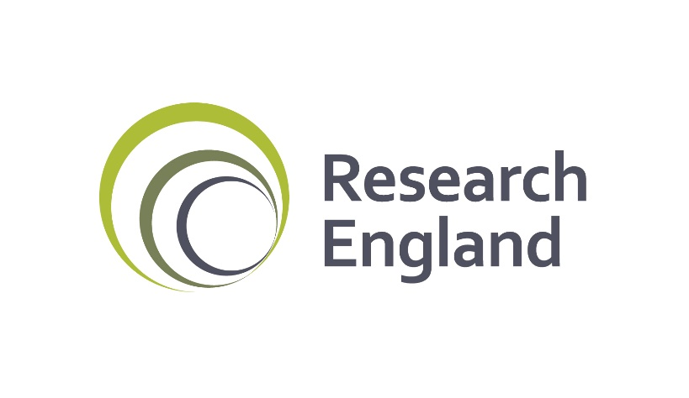
2019-20 July grant tables
Lamda Limited
10003758

Tables

Table A: 2019-20 Summary of allocations
Table B: 2019-20 Mainstream QR, London weighting and GCRF funds
Table C: 2019-20 QR charity support fund and QR business research element
Table D: 2019-20 QR RDP supervision funds
Table E: 2019-20 Knowledge exchange allocations
Table F: 2019-20 HEIF formula parameters

