Guidance
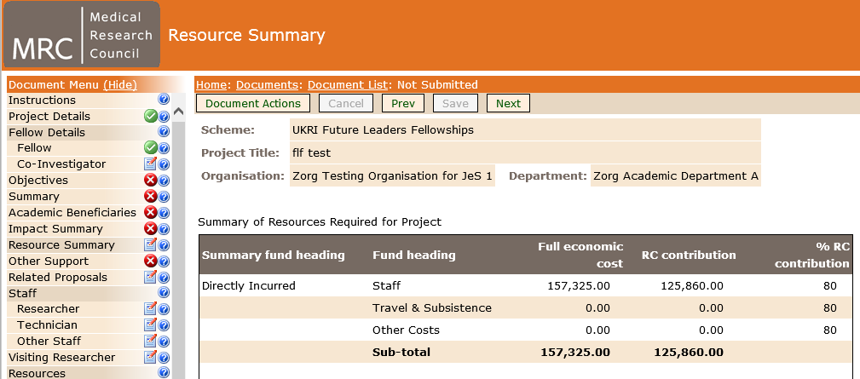
 | Guidance | Version 1 - May 2022

1 (Cell H3) | Select the FTE equivalent from the drop down box provided in cell H3 which is highlighted RED, this will automatically calculate the Tapering in J column.
2 (Cell D4) | Input all the applicants FTE Gross Salary costs for the year (including any allowances and National Insurance Contributions)
3 (Cell D5) | Input all the applicants FTE Gross Salary costs for the year (including any allowances and National Insurance Contributions)
4 (Cell D6) | Input all the applicants FTE Gross Salary costs for the year (including any allowances and National Insurance Contributions)
5 (Cell D7)Optional | Input all the applicants FTE Gross Salary costs for the year (including any allowances and National Insurance Contributions)
6 (Cell D8)Optional | Input all the applicants FTE Gross Salary costs for the year (including any allowances and National Insurance Contributions)
7 (Cell D9)Optional | Input all the applicants FTE Gross Salary costs for the year (including any allowances and National Insurance Contributions)
10 (Cell F10) | The Total figure generated in F10 can be input into the Total Cost field of the 'Fellow' section of the Je-S form*.
 | This calculator indicates the salary contributions for each year of the fellowship, and should not be used to determine Fellowship duration.
 | Please note that each cell within the table has a description of what all columns represents, this will appear under the cell when clicked on.
 | *Please note that you will also need to add the starting salary for Year 1 and indicate the totals for any applicable London or Other Allowances and NI Contributions, when completing the Fellows section of the form..

Please note for Part Time applicants: if your FTE % is not present on this Template and you would like to check the calculations that you have made, please contact the Future Leaders Fellowships team on the email address provide below: Fellows@ukri.org

* | “The salary requested for each member of staff should reflect the full anticipated cost during the lifetime of the award, including any anticipated promotions and salary increments to ensure that the costs requested are as accurate as possible. Indexation should not be included as this is calculated post-award. (3.1.2 Fellows Details, FLF Guidance)”.

Example: Detailing the Total figure generated in F12 as £157,325.00, then calculates the correct RC Contribution which is visible to view within the Resource Summary section of the Je-S form.1:22

