Instructions
 | Form X Instructions

 | This document is aimed to help with completing the STFC Form X. The Form X provided must be returned completed. You must respect the formatting and any formulae built into the spreadsheet; it is not permissible to create your own Form X or amend any of the formatting on the Form X provided (apart from adding rows).
 | Form X is intended to give the grants panel an indication of how the focus of effort for each staff post has changed since the previous review and how it will change through the period of the grant. Form X must be completed by financial year (i.e., from April to March). Effort should be given as a percentage of FTE. The typical values for an academic in a full financial year are 60%, and 100% for a core or responsive post. Where columns cover only half a financial year, the maximum effort percentage noted in these cells should be 50%.
 | Part 1 – Group and Theme information
 | STFC requires a list of all the experimental, theoretical and R&D programmes or themes in which members of the group will be involved over the period of the grant. This should also include construction projects, and other programmes (e.g. EPSRC grants) in which group members are involved, or plan to be over the same period.

Figure 1:

 | 1) Please identify the name of your research organisation.

Figure 2:

 | 2) Please select from the drop down list what Category the associated Theme falls into. The options are:
 | · Detector R&D
 | · Operations
 | · Exploitation
 | Then select from the drop-down list whether the research is related to Experiment (Expt) or Theory (Theory).

 | 3) Please detail the name of the Theme. Take note of the Theme number as this will be used to specify which themes individuals in the group work on later in the Form X.

 | 4) Please name the principal facilities where the work will take place.
 | Please note: Any rows available for Themes that are not used should be deleted, however please make sure your list is finalised before doing so.

 | Part 2 – Post-holder information
 | The GWGP requires an indication of how the focus of effort for each staff post will change through the period of the grant. Some pre-set layouts will be provided on the spreadsheet, which should be duplicated to allow entry for each staff member (existing and requested) in the group including non-STFC funded members of staff. Further information on adding more rows for additional themes is shown in Part 3.

Figure 3:

 | 5) For each post, please select from the dropdown list the staff type and whether posts are Core, Non-Core or Academic. Project students requested in this proposal should be included, but project students on other grants should be omitted.
 | Within these two categories staff should be listed in the following order:
 | Academics (AC)
 | Core (C):
 | o Post-Doctoral Research Associates (RA)
 | o Engineer (E )
 | o Technician (T)
 | Non-Core (N/C):
 | o Post-Doctoral Research Associates (RA)
 | o Engineer (E)
 | o Technician (T)
 | o Support Staff (SU)
 | o PhD Students (ST)

 | In addition, please ensure that each postholder is assigned a Funding Service role (from the dropdown list) that is consistent with that used for them in the main application section:
 | o Project Lead (PL)
 | o Project co-Lead UK (PcL)
 | o Researcher co-Lead
 | o Grant Manager
 | o Research and Innovation Associate
 | o Visiting Researcher
 | o Specialist
 | o Technician
 | o Doctoral student
 | o Professional enabling Staff

 | 6) Please select from the dropdown list (detailed below) the Funding Source and Theme Number (relating to figure 3 in this document) for each Theme all staff members are involved in:
 | · STFC Gravitational Waves Consolidated Grant (CG)
 | · Other STFC funding sources (Other STFC)
 | · Non-STFC funding sources (Non-STFC)
 | Where 'Non-STFC' funding has been specified, please explain what this is in the case for support.

 | 7) Please specify the effort as a percentage of an individual’s total time. Please note, for academic time you should show the actual FTE worked and not the awarded FTE. You will notice that as you complete the form the appropriate colours should appear as the details are input.
 | It should be made clear on the Form X where one post is replaced by another. When a new post-holder has replaced a previous post-holder please put ‘vice (name of previous post-holder)’ in the cell below the name of the new post-holder. Please place the corresponding posts one under the other.

 | Part 3 – Adding more lines to a post-holder
 | To add additional lines for further information on additional themes select the row containing the information of the staff member under the one that you are adding information too (Figure 4) and right click on the row number then select “insert” from the menu. Repeat this as many times as is required.

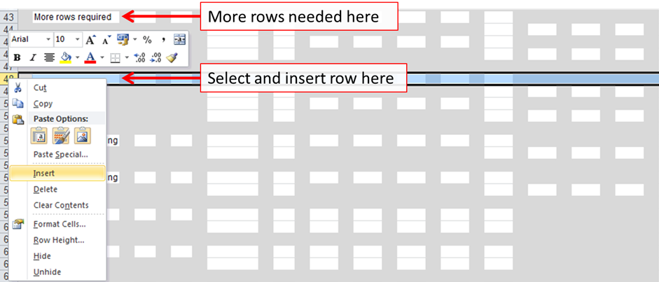
Figure 4

 | Then to add the required boxes select the relevant layout and copy and paste the layout into the newly added rows (Figure 5).

Figure 5

 | Please see below an example of a Form X
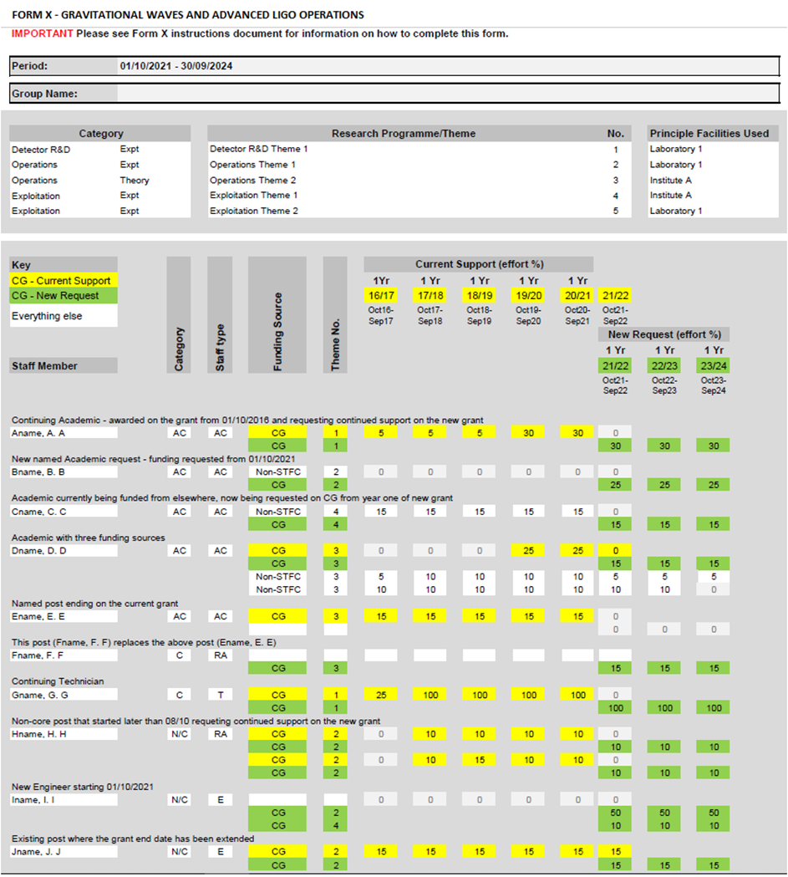
Figure 6

